Sheet1
 | Document No. | Issue No. |  | Issue Date |  | Review and Replace Date |  | Authorised By
 | GFF240MC | 4 |  | 11.11.2020 |  | 29.07.2022 |  | Magda Shah
 | Document Title | LAMB SAMOSA 100G
Document amendments reason for change | Change of tray & Film |  |  | Page 1 of 1 | Previous Issue Date |  | 23.12.2021 | Uncontrolled copy unless signed original

CLSAL-G6T & CLSAL-G12T & CLSAL-1G6T |  |  | GAZEBO |  | LAMB SAMOSA 100G

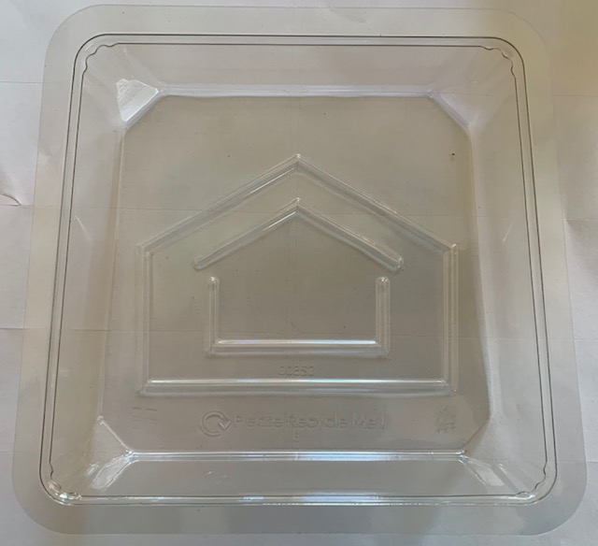 |  |  |  |  | 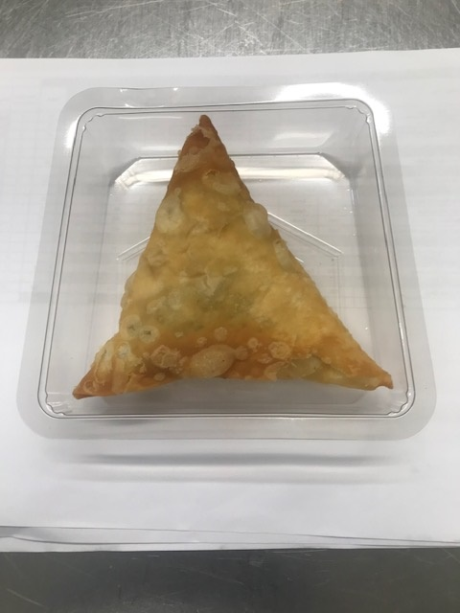

Tray: Grab & Go 35MM Deep Tray (PKLEE001-07) |  |  |  |  | LAMB SAMOSA (GFF005R) 100g
Film: K-peel 7G+25A/f-275mm (PKKMP001-03) |  |  |  |  | Total Weight: 100g
ALLERGY ALERT: WHEAT, SOYA

